Sheet1
How to Add User and Finger Print Registration.

Step 1 : | Go to your Desktop and Search for CrossChex Standard Application.

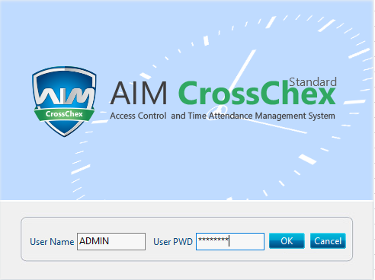
Step 2 : | Log in to CrossChex App.

 | USERNAME : ADMIN
 | PASSWORD : gahak123

Step 3 : | After log in Go to USER TAB beside Setting Tab. Select ADD.

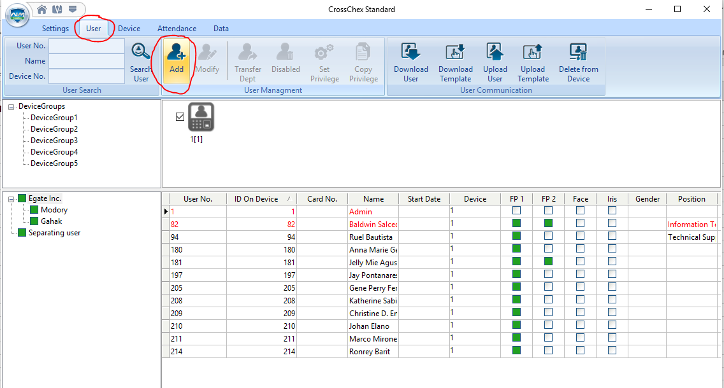

Step 4 : | Fill up the POPPED UP window for your Personal Details. ID ON DEVICE, NAME, PASSWORD it is important for Manually Log in rather than Finger Print Scanning.

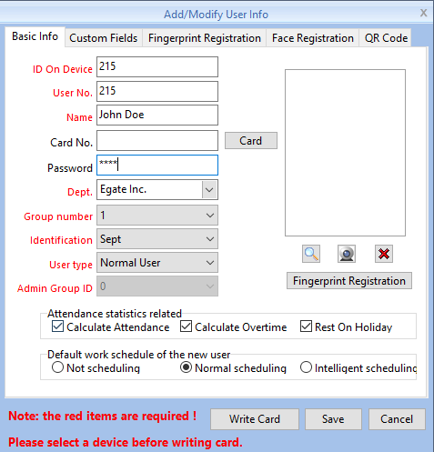

Step 5 : | After fill up of Personal Details & Password Proceed to FINGERPRINT REGISTRATION TAB
 | Go to NETWORK select 1[1] then ENROLL your FINGERPRINT after clicking ENROLL you need to go FINGER PRINT MACHINE to actual SCAN your Finger Print for 2 times.
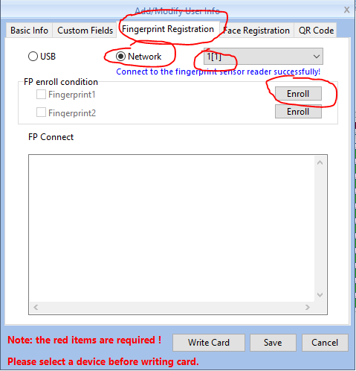
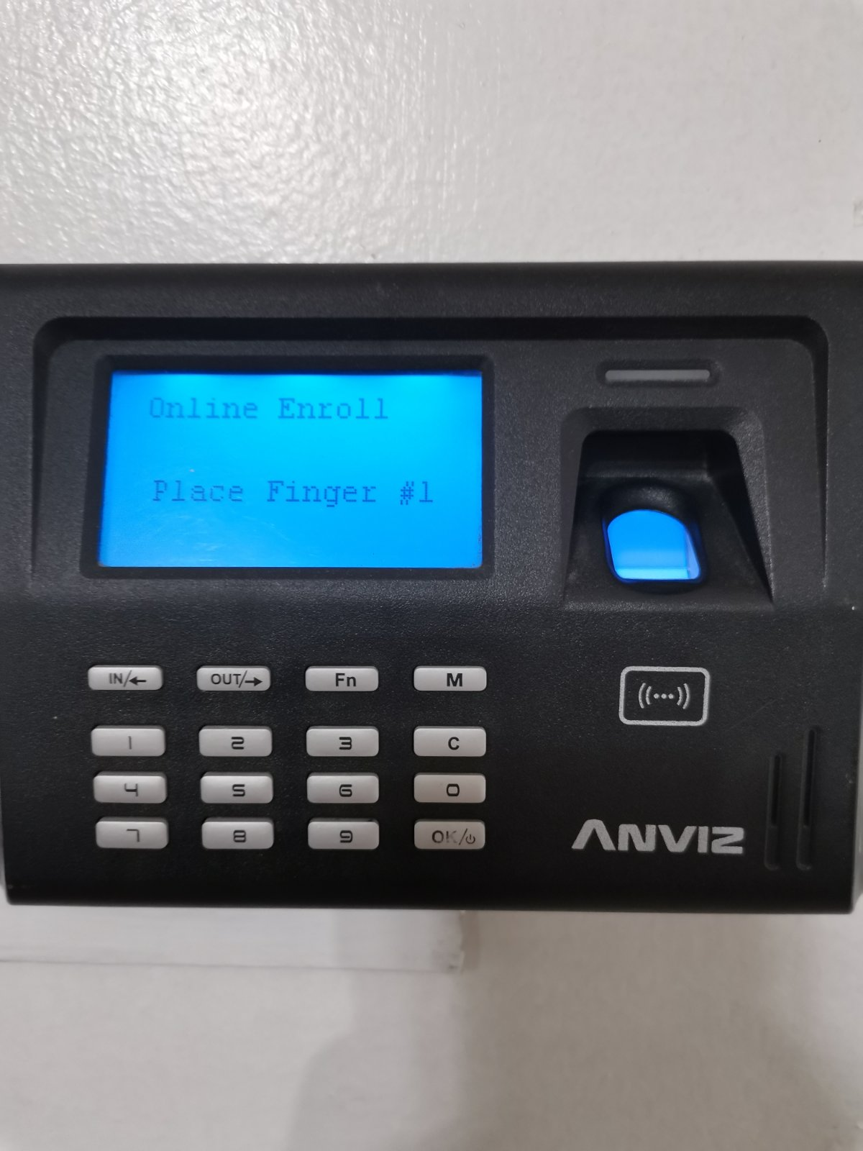

Step 6 : | Wait the Confirmation in the FP Connect if its already done or Paired. After that then SAVE

Step 7 : | Check if the FP1 is Filled with Green to Clarify if your FP is already registered.

Step 8 : | Next Left Click your ROW then go to SET PRIVILEGE then Select Device Group 1 & 1[1]

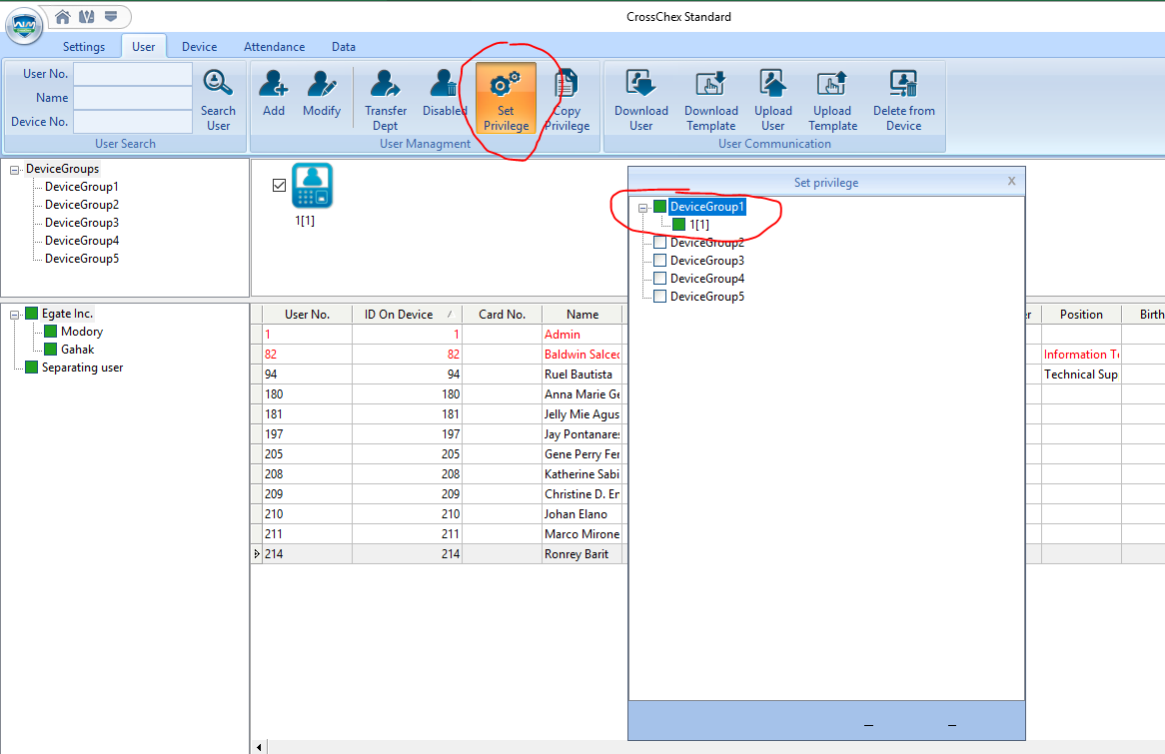

DONE

